Sheet1
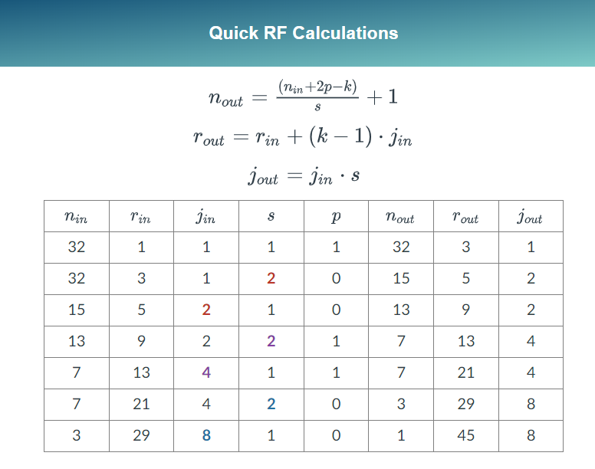
Layer | Kernel | Stride | Padding | N-Input | N-Ouput | J-In | J-Out | Rin | Rout | Rout-Rin | Nin-Nout
1 | 3 | 1 | 1 | 32 | 32 | 1 | 1 | 1 | 3 | 2 | 0
2 | 3 | 2 | 0 | 32 | 15 | 1 | 2 | 3 | 5 | 2 | 17
3 | 3 | 1 | 0 | 15 | 13 | 2 | 2 | 5 | 9 | 4 | 2
4 | 3 | 2 | 1 | 13 | 7 | 2 | 4 | 9 | 13 | 4 | 6
5 | 3 | 1 | 1 | 7 | 7 | 4 | 4 | 13 | 21 | 8 | 0
6 | 3 | 2 | 0 | 7 | 3 | 4 | 8 | 21 | 29 | 8 | 4
7 | 3 | 1 | 0 | 3 | 1 | 8 | 8 | 29 | 45 | 16 | 2
8 | 3 | 1 | 0 | 1 | -1 | 8 | 8 | 45 | 61 | 16 | 2
9 | 3 | 1 | 0 | -1 | -3 | 8 | 8 | 61 | 77 | 16 | 2
10 | 3 | 1 | 0 | -3 | -5 | 8 | 8 | 77 | 93 | 16 | 2
11 | 2 | 2 | 0 | -5 | -3 | 8 | 16 | 93 | 101 | 8 | -2
12 | 3 | 1 | 0 | -3 | -5 | 16 | 16 | 101 | 133 | 32 | 2
13 | 3 | 1 | 0 | -5 | -7 | 16 | 16 | 133 | 165 | 32 | 2
14 | 3 | 1 | 0 | -7 | -9 | 16 | 16 | 165 | 197 | 32 | 2
15 | 3 | 1 | 0 | -9 | -11 | 16 | 16 | 197 | 229 | 32 | 2
16 | 3 | 1 | 0 | -11 | -13 | 16 | 16 | 229 | 261 | 32 | 2
17 | 2 | 2 | 0 | -13 | -7 | 16 | 32 | 261 | 277 | 16 | -6
18 | 3 | 1 | 0 | -7 | -9 | 32 | 32 | 277 | 341 | 64 | 2
19 | 3 | 1 | 0 | -9 | -11 | 32 | 32 | 341 | 405 | 64 | 2
20 | 3 | 1 | 0 | -11 | -13 | 32 | 32 | 405 | 469 | 64 | 2
21 | 3 | 1 | 0 | -13 | -15 | 32 | 32 | 469 | 533 | 64 | 2

